1. Title Page
[Instacart Basket Analysis]

Project Name: Instacart Basket Analysis
Date: May 2023
Analyst Name: Madi Cuppels
Data Used: “The Instacart Online Grocery Shopping Dataset 2017”, Accessed from www.instacart.com/datasets/grocery-shopping-2017 via Kaggle on [date].

Contents:
Population Flow
Consistency checks
Wrangling steps
Column derivations
Visualizations
Recommendations

2. Population Flow
Title page

Population flow

Exclusion flag
Condition: max_order < 99
Obervations to be removed: 21
Final total count of order_products_all: 32404859

Orders_products_combined
Orders_products_merged
Orders_products_all

Total: 32404859
Total: 32434489
Total: 32404859

1.) The grey boxes in the first row of the population flow represent the original data sets as they were when you downloaded them. In the Total fields you need to add the count of the rows when you imported the data set into Jupyter.
2.) The second row of boxes (coloured) represents the data sets after you manipulated them, e.g., removed missing values and duplicates. In the Total fields you need to add the count of the rows after conducting these operations. This offers a visual oveview of how the data flows throughout the data consistency checks.
3.) The third row, where also the arrows are coloured, represents the merges you performed between the datasets. In the Total fields you need to add the count of the rows in the merged datasets, so that you end up with the final dataset (in the red box). Keep in mind the final dataset should be without exclusions (based on the exclusion flag).

3. Consistency checks
 |  |  |  | Title page
Consistency checks

Dataset | Missing values | Missing values treatment | Duplicates
orders | 206,209 missing values in days since prior order column | Do nothing since these values could be interpreted as 0 days since prior order, or in other words the customer's first order
products | 16 in product_name column | create new df to only show non-missing values | 5 duplicate rows were removed
orders_products_prior
customers

4. Wrangling steps
 |  |  |  | Title page
Wrangling steps

Columns dropped | Columns renamed | Columns' type changed | Comment/Reason
eval_set | order_dow to orders_day_of_week |  | all column names were changed to make it easier to read and match formatting of existing columns
 | First Name to first_name | first_name changed to str | this column was mix-type and needed to be consistent
 | Surnam to last_name
 | STATE to state
 | Gender to gender
 | Age to age

5. Column derivations
 |  |  |  | Title page

Column derivations and aggregations

In this tab you should add tables below that the frequences of flags/label variables that you produced after deriving them. NB: don't do this for continuous variables, only for flags.
Dataset | New column | Column/s it was derived from | Conditions
orders_products_merged | price_range | prices | prices <= 5, low-range product. Prices > 5 and <= 15, mid-range product. Price > 15 high range product
orders_products_merged | busiest_day | orders_day_of_week | if value == 0, busiest day. If value ==4, least busy. Else, regularly busy
orders_products_merged | busiest_days | orders_day_of_week | if value == 0 or ==1, busiest days. If value ==4 or ==3 least busy days. Else, regularly busy days
orders_products_merged | busiest_period_of_day | order_hour_of_day | if value == 10 or value == 11 or value == 14 or value == 15 or value == 13 or value == 12 or value == 16 or value == 9: ("Most orders") elif value == 17 or value == 8 or value == 18 or value == 19 or value == 20 or value == 7 or value == 21 or value == 22: ("Average Orders") elif value == 23 or value == 6 or value == 0 or value == 1 or value == 5 or value == 2 or value == 4 or value == 3: ("Fewest orders")
orders_products_merged | loyalty_flag | max_order, user_id, order_number | max_order > 40: loyal customer. Max_order <=40 & >10: Regular customer. Max order < 10: new customer
orders_products_merged | spending_flag | mean_price, user_id, prices | mean_price < 10: low spender. Mean_price >= 10: high spender
orders_products_merged | frequency_flag | median_days_since_prior_order, uder_id, days_since_prior_order | median_days_since_prior_order > 20: non-frequent customer. median_days_since_prior_order > 10 & <=20: regular customer. median_days_since_prior_order <=10 frequent customer.
orders_products_customers | Region | state | grouped according to us census regions
orders_products_customers | low_activity_flag | max_order | max_order < 5: low activity. Max order >=5 high activity
orders_products_customers_active | age_profile | age | age <= 25: Young Adult. Age >=26 & <65: adult. Age >=65: senior
orders_products_customers_active | income_profile | income | income< 40000: low income. Income > 40000 & <= 150000: middle income. Income >150000: high income
orders_products_customers_active | family_profile | n_dependants | n_dependants == 0: single adult. n_dependants != 0: Family

6. Visualizations
Title page

Visualisations

In this tab you should include all the visualtions from Exercises 4.9 and 4.10, alongside the questions from the project brief that they answer. Include any commentary on the relationship between different variables.

The sales team needs to know what the busiest days of the week and hours of the day are (i.e., the days and times with the most orders) in order to schedule ads at times when there are fewer orders.


Orders Day of the Week

Orders Hour of the Day

0 = Saturday
1 = Sunday
2 = Monday
3 = Tuesday
4 = Wednesday
5 = Thursday
6 = Friday

They also want to know whether there are particular times of the day when people spend the most money, as this might inform the type of products they advertise at these times.

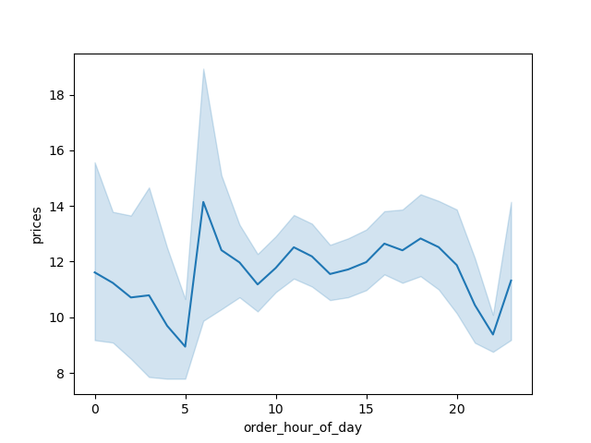
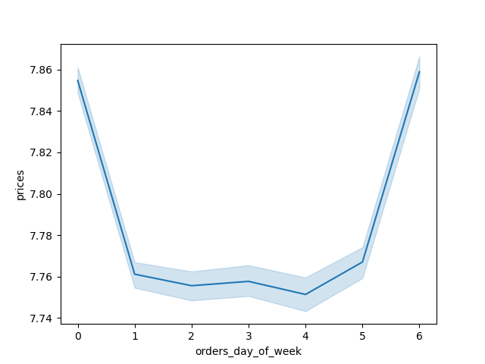

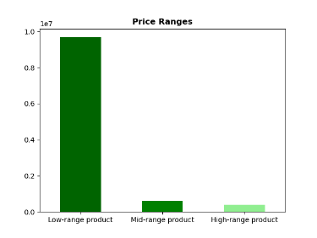

Instacart has a lot of products with different price tags. Marketing and sales want to use simpler price range groupings to help direct their efforts.

Are there certain types of products that are more popular than others? The marketing and sales teams want to know which departments have the highest frequency of product orders.

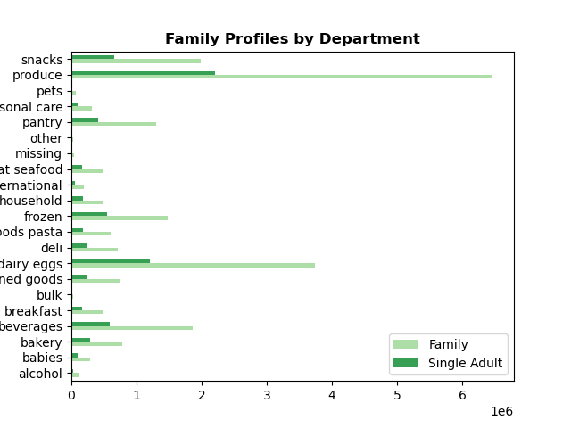
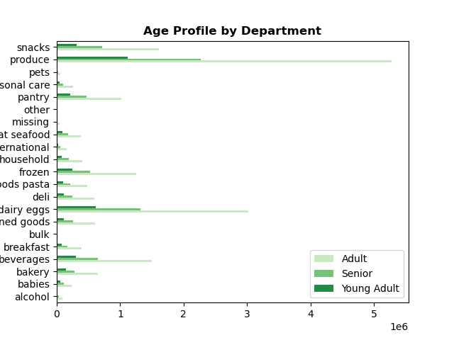
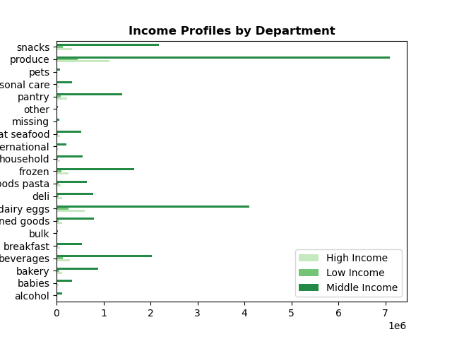

Produce is the most popular department across all ages, family status, and income.

The marketing and sales teams are particularly interested in the different types of customers in their system and how their ordering behaviors differ

What’s the distribution among users in regards to their brand loyalty (i.e., how often do they return to Instacart)?

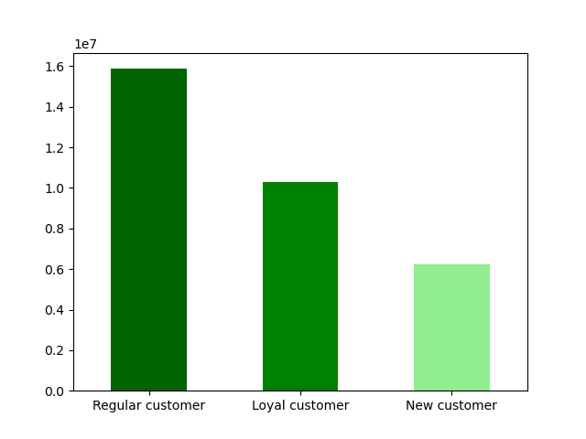

Regular customers (orders between 10 and 40) make up the majority of instacart orders.

Are there differences in ordering habits based on a customer’s loyalty status?

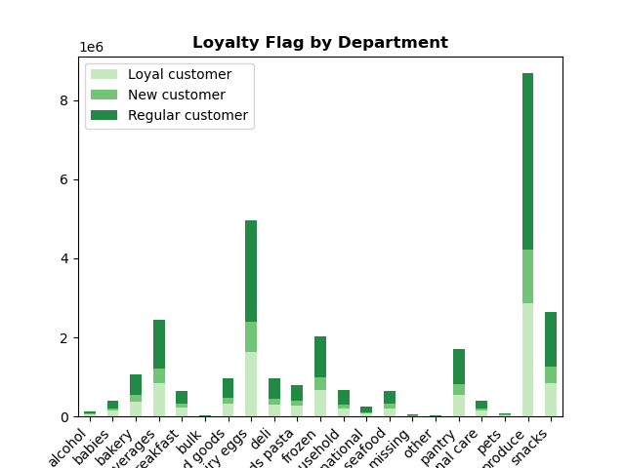

Ordering habits tends to stay the same regardless of a customer's loyalty status.

Are there differences in ordering habits based on a customer’s region?

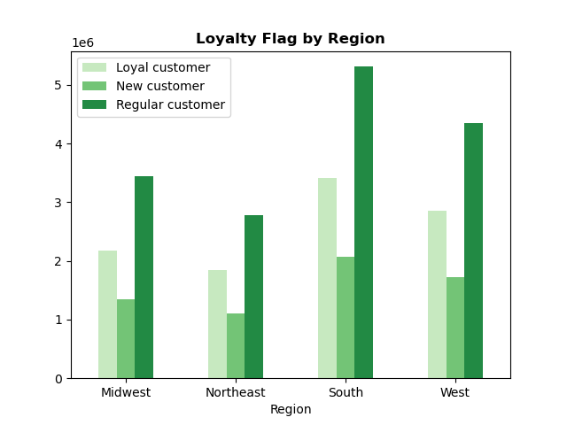
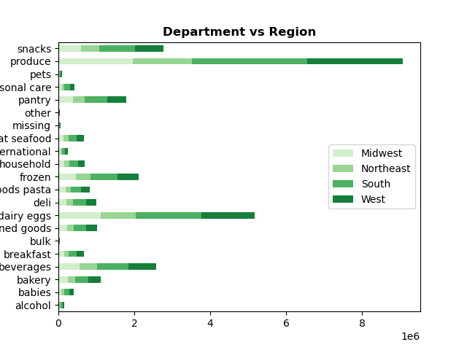

Is there a connection between age and family status in terms of ordering habits?

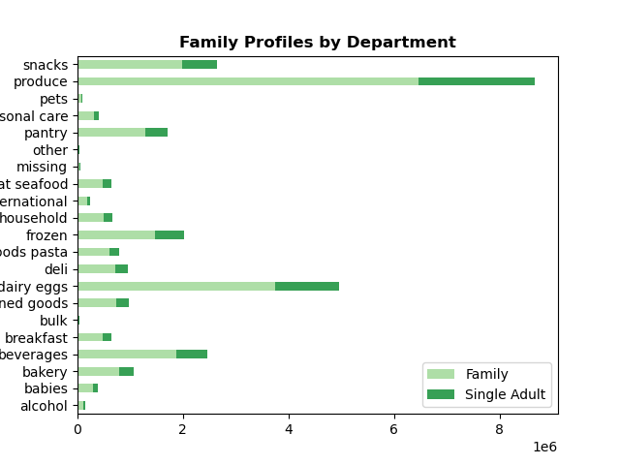
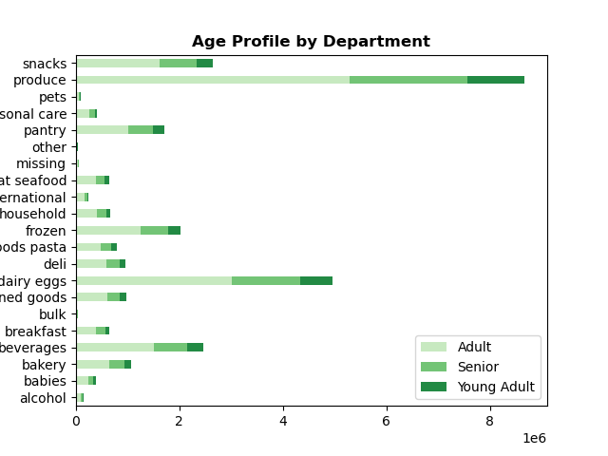

What different classifications does the demographic information suggest? Age? Income? Certain types of goods? Family status?

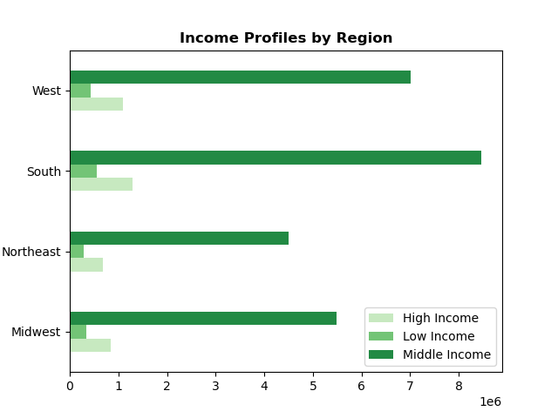
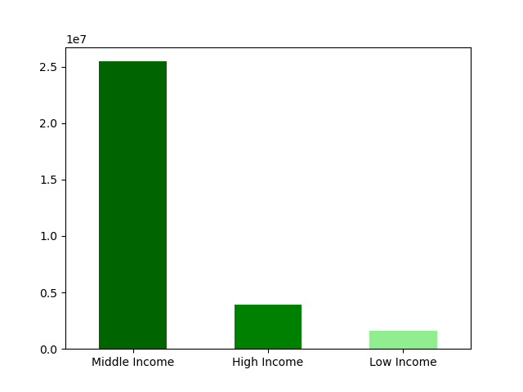

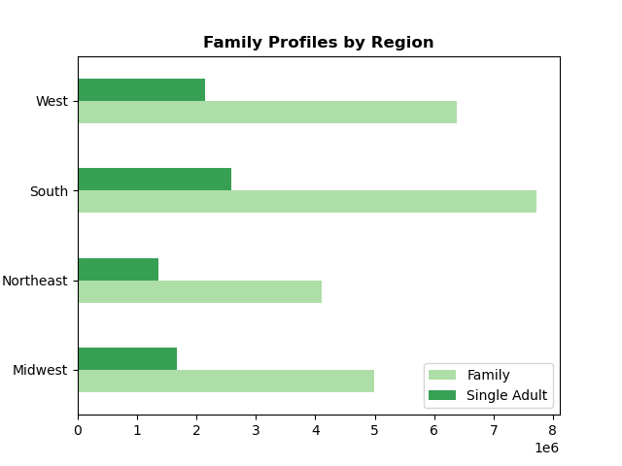
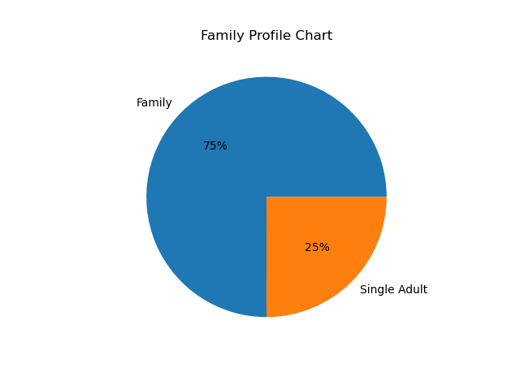

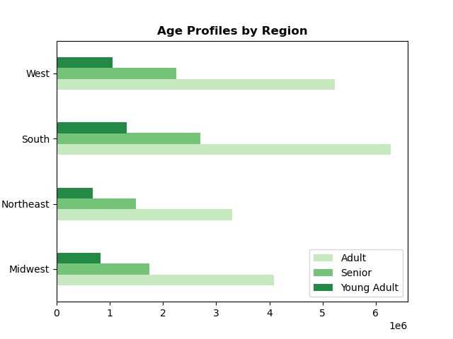
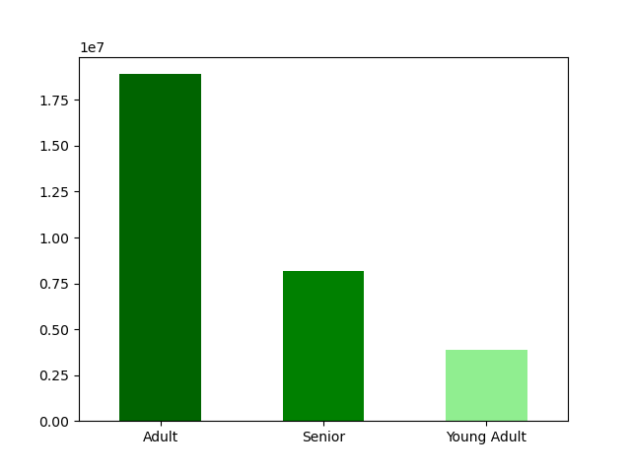

What differences can you find in ordering habits of different customer profiles? Consider the price of orders, the frequency of orders, the products customers are ordering, and anything else you can think of.

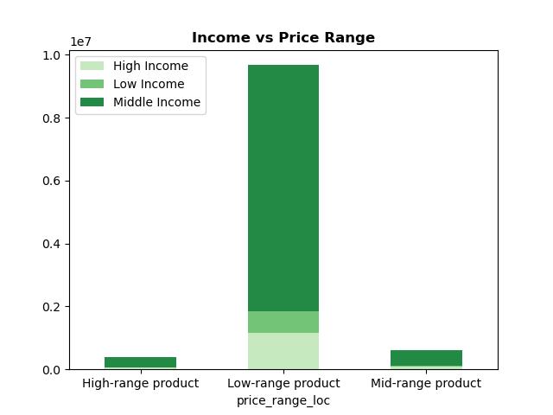
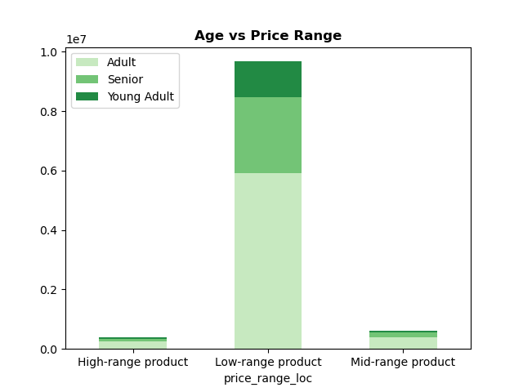
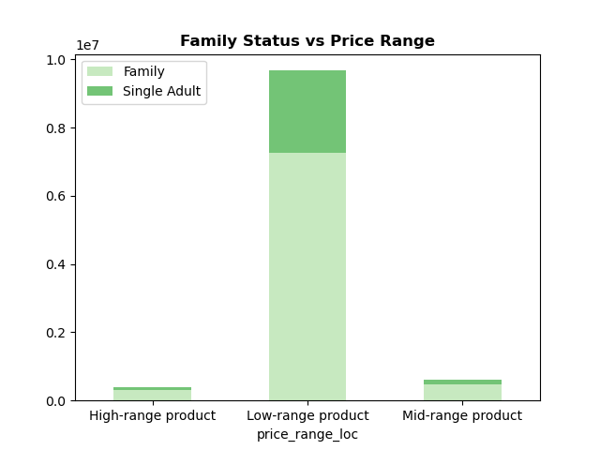

Low range products are the most popular in every age range, income level, and family status.

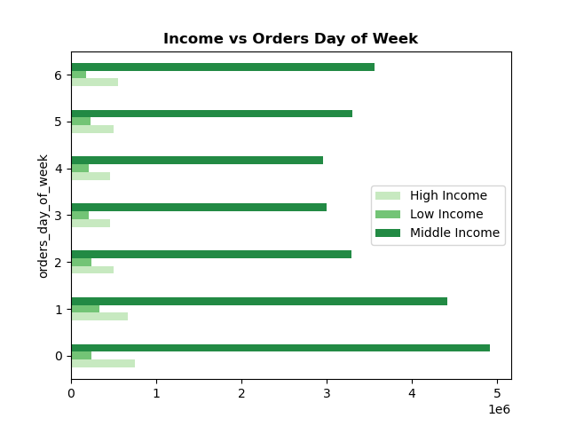
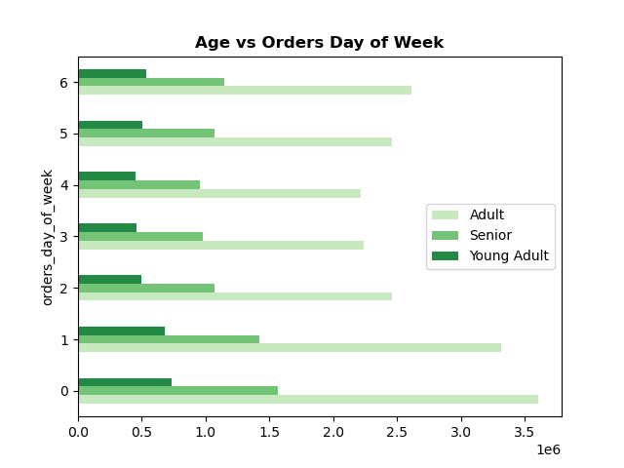
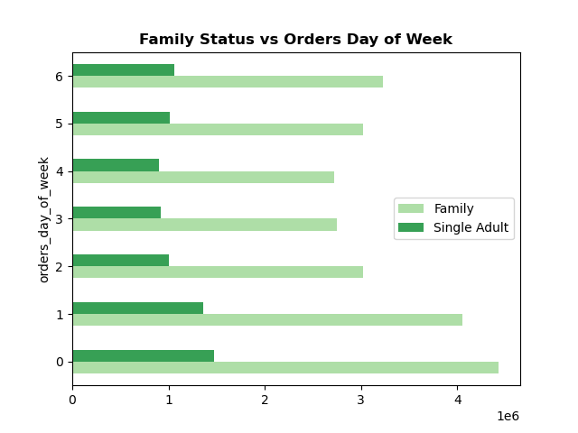

Saturday is the most popular day of the week for orders regardless of income, age, or family status

7. Recommendations
 |  | Title page

Recommendations

In this tab you should include any recommendations you would made to Instcart in terms of their marketing strategy based on the questions posed in the brief. Every key question has been covered in the Tasks of the Exercises - here you need to add an item - a visualisation or table/crosstable that is showing the answer in the data, acompanied by a comment from you. Please, list the questions below and add the answer underneath.

Question | Answer
Orders vs Days of the Week
1. The sales team needs to know what the busiest days of the week and hours of the day are (i.e., the days and times with the most orders) in order to schedule ads at times when there are fewer orders.
Saturday is the busiest day of the week for orders while Tuesday and Wednesday are the least busy days. Ads could be scheduled more on Tuesday and Wednesday to encourage users to order on those days.

0 = Saturday
1 = Sunday
2 = Monday
3 = Tuesday
4 = Wednesday
5 = Thursday
6 = Friday

2. They also want to know whether there are particular times of the day when people spend the most money, as this might inform the type of products they advertise at these times.

People spend the most money between hours 6 and 9. Advertisements for higher priced items could be pushed during these hours to increase revenue.



3. Instacart has a lot of products with different price tags. Marketing and sales want to use simpler price range groupings to help direct their efforts.
Products were grouped by price range. Prices <= 5 are low-range products, prices > 5 and <= 15 are a mid-range product, and price > 15 is a high range product. Most products fall under the low-range product category which would make sense as many typical grocery items are less than 5 dollars.

4. Are there certain types of products that are more popular than others? The marketing and sales teams want to know which departments have the highest frequency of product orders.

Produce is the most popular department amoung all age groups, income levels, and family status. To increase produce orders, we could offer certain discounts/savings on popular items within that category to encourage people to keep ordering.

5. What’s the distribution among users in regards to their brand loyalty (i.e., how often do they return to Instacart)?
Are there differences in ordering habits based on a customer’s loyalty status?
Regular customers (those with between 10 and 40 orders) are the most common. We could introduce more advertisements targeted at new customers in hopes that they order more to get them into the regular customer category.
Ordering habits based on a customer's loyalty status stay relatively the same. Produce is still at the top for each level of loyalty.

6. Are there differences in ordering habits based on a customer’s region?

The south has the highest amount of customers. The orders for each department stay relatively the same regardless of region.

7. What different classifications does the demographic information suggest? Age? Income? Certain types of goods? Family status?

The majority of users fall under the "middle income" category, which is income between $40,000 and $150,000.

Have advertisements target middle-income families to continue growth in that area.

75% of users are families.
The majory of users fall under the "Adult" category for age, meaning they are between 26 and 64 years old.

8. What differences can you find in ordering habits of different customer profiles?

Low range products are the most popular in every age range, income level, and family status.
This is likely due to the fact that most typical grocery store items fall in the low-range price category.

Saturday is the most popular day of the week for orders regardless of age, income, or family status.
We could push adverstisements for the lower order days of the week (Tuesday and Wednesday) to increase revenue for those days.

